temperature
witdh =50mm | V= | 1080 | 288 | 3.75 | pixel/mm | 20 | 75
 | H= | 1920 | 522 | 3.6781609195 | pixel/mm | 50 | 183.90804598
Temperature & Humidity
SensorID : 1587928

Normal
Out of Limit
Network
Failed
Server Erorr

SensorID : 11319540
Temperature & Humidity
Normal
Out of Limit
Network
Failed
Server Erorr

SensorID : 11252178
Temperature & Humidity
Normal
Out of Limit
Network
Failed
Server Erorr

rfid reader
witdh =50mm | V= | 1080 | 288 | 3.75 | pixel/mm | 70 | 262.5
 | H= | 1920 | 522 | 3.6781609195 | pixel/mm | 45 | 165.51724138

PLACE YOUR SLOT CARD HERE
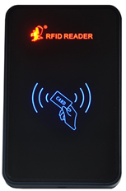 Place Your Card Here |  | 

